1. Title Page
Project Name: Instacart Grocery Basket Analysis
Date: May 2023
Analyst Name: Halima Begum

Contents:
Population Flow
Consistency checks
Wrangling steps
Column derivations
Visualizations
Recommendations

Data Citation: “The Instacart Online Grocery Shopping Dataset 2017”, Accessed from www.instacart.com/datasets/grocery-shopping-2017 via Kaggle on [06-5-23].
Note that the customer data for Exercises 4.9 and 4.10, as well as the 'prices' column in the products data set, were both fabricated for the purpose of the Career Foundry course.

2. Population Flow
Population flow

customers.csv
Total: 206,209
department.csv
Total: 1
Original Datasets
orders.csv
Total: 3,421,083
orders_products_prior.csv
Total:32,434,489
products.csv
Total: 49,693

orders_wrangled_checked.csv
Total: 3,421,083
products_wrangled_checked.csv
Total: 49,672
customers_wrangled_checked.csv
Total: 206,209
department_transposed.csv
Total: 21
Wrangled and checked for consistency

orders_products_combined.csv
Total: 32,434,489
orders_products_merged.csv
Total: 32,404,859
orders_products_all.csv
Total: 32,404,859
Dataset Merges

Exclusion flag
Condition: max_order < 5
Observations to be removed: 1,440,295
Final total count of order_products_all: 30,964,564

3. Consistency checks
Consistency checks

Dataset | Missing values | Missing values treatment | Duplicates
orders.csv | 'days_since_prior_order’ column: 206209 NaN | Cross-tab created between the 'days_since_prior_order' and 'order_number' column. All the missing values from 'days_since_prior_order' corresponded to where the order number was 1. This substantiates my initial assumption that these missing values were caused by the fact that there can't be any days before a first order. | No duplicates.
products.csv | 16 missing values in product_name; | 16 records have been removed | 5 Duplicate records have been removed.
 | prices for product_id: 21553 and 33664 are erroneous: 14900.00 and 99999.00 | Error was due to moving the placeholder so values were replaces with 1.49 and 9.99 respectively.
orders_products_prior.csv | No missing values |  | No duplicates.
customers.csv | There are 11,259 missing values in the first_name column. | Column removed because of PII implications | No duplicates.

4. Wrangling steps
 |  |  |  |  | Title page

Wrangling Steps

Column Dataset | Columns dropped | Columns renamed | Columns' type changed | Comment/Reason
orders.csv | ' Eval_set’ |  |  | Irrelevant
 | 'Unnamed = 0’ |  |  | Irrelevant
 |  | 'order_dow' |  | Renamed to 'orders_day_of_week' for clarity.
 |  |  | 'order_id’ | 'order_id’ data type was changed to 'str'
customers.csv |  | 'Gender’ |  | Changed to ‘gender’ for uniformity
 |  | 'AGE’ |  | Changed to ‘age’ for uniformity
 |  | 'STATE’ |  | Changed to ‘state’ for uniformity
 |  | 'n_dependants’ |  | Changed to ‘number_of_dependants’ for uniformity and clarity
 |  | 'fam_status’ |  | Changed to ‘family_status’ for uniformity and clarity
 |  | 'surnam’ |  | Incorrectly spelt; changed to last_name for uniformity before being dropped for PII implications
 |  |  | 'first_name’ and ‘full_name’ | They were considered mixed because it contained NaN values and thus the data type was changed to string
 | 'full_name’ |  |  | PII = full_name can be used to narrow down an individual and thus conflicts data ethics and privacy

5. Column derivations
 |  |  |  | Title page
Column derivations and aggregations

Dataset | New column | Column/s it was derived from | Conditions
df_ords_prods_merged | 'price_range_loc’ | 'prices’ | if prices <= 5, Low-range product if prices > 5 & prices <= 15, Mid-range product if prices > 15, High-range product
df_ords_prods_merged | 'busiest_day’ | 'order_day_of_week’ | result = [] for value in df_ords_prods_merged["orders_day_of_week"]: if value == 0: result.append("Busiest day") elif value == 4: result.append("Least busy") else: result.append("Regularly busy")
df_ords_prods_merged | 'busiest_days’ | 'order_day_of_week’ | Days = [] for value in df_ords_prods_merged['orders_day_of_week']: if value== 0 or value == 1: Days.append('Busiest days') elif value == 4 or value == 3: Days.append('Slowest days') else: Days.append('Regular days')
df_ords_prods_merged | 'busiest_period_of_day’ | 'order_hour_of_day’ | hours = [] for hour in df_ords_prods_merged['order_hour_of_day']: if hour in [10, 11, 14, 15, 13, 12, 16, 9, 17, 8, 18, 19]: hours.append('Most orders') elif hour in [5, 2, 4, 3]: hours.append('Fewest orders') else: hours.append('Average orders')
df_combined | loyalty flag | 'max_order' | ords_prods_merge.loc[ords_prods_merge['max_order'] > 40, 'loyalty_flag'] = 'Loyal customer' ords_prods_merge.loc[(ords_prods_merge['max_order'] <= 40) & (ords_prods_merge['max_order'] > 10), 'loyalty_flag'] = 'Regular customer' ords_prods_merge.loc[ords_prods_merge['max_order'] <= 10, 'loyalty_flag'] = 'New customer'
 | spending_flag | 'avg_price' | df_ords_prods_merged.loc[df_ords_prods_merged['avg_price'] >= 10, 'spending_flag'] = 'High spender' df_ords_prods_merged.loc[df_ords_prods_merged['avg_price'] < 10, 'spending_flag'] = 'Low spender'
 | order_frequency_flag | 'median_frequency’ | df_ords_prods_merged.loc[df_ords_prods_merged['median_frequency'] > 20, 'order_frequency_flag'] = 'Non-frequent customer' df_ords_prods_merged.loc[(df_ords_prods_merged['median_frequency'] > 10) & (df_ords_prods_merged['median_frequency'] <= 20), 'order_frequency_flag'] = 'Regular customer' df_ords_prods_merged.loc[df_ords_prods_merged['median_frequency'] <= 10, 'order_frequency_flag'] = 'Frequent customer'
 | region | 'state’ | region = [] for value in df_combined['state']: if value=='Maine' or value=='New Hampshire' or value=='Vermont' or value == 'Massachusetts' or value == 'Rhode Island' or value == 'Connecticut' or value == 'New York' or value == 'Pennsylvania' or value =='New Jersey': region.append('Northeast') elif value == 'Wisconsin' or value == 'Michigan' or value == 'Illinois' or value == 'Indiana' or value == 'Ohio' or value == 'North Dakota' or value == 'South Dakota' or value == 'Nebraska' or value == 'Kansas' or value == 'Minnesota' or value == 'Iowa' or value == 'Missouri': region.append('Midwest') elif value == 'Idaho' or value == 'Montana' or value == 'Wyoming' or value == 'Nevada' or value == 'Utah' or value == 'Colorado' or value == 'Arizona' or value == 'New Mexico' or value == 'Alaska' or value == 'Washington' or value == 'Oregon' or value == 'California' or value == 'Hawaii': region.append('West') else: region.append('South')
 | activity_flag | 'max_order’ | df_combined.loc[df_combined['max_order'] < 5, 'activity_flag'] = 'inactive' df_combined.loc[df_combined['max_order'] > 5, 'activity_flag'] = 'active'
 | age_flag | 'age_profile' | df_combined.loc[(df_combined['age'] <= 40), 'age_profile'] = '18-40' df_combined.loc[(df_combined['age'] > 40) & (df_combined['age'] <= 60), 'age_profile'] = '40-60' df_combined.loc[(df_combined['age'] > 60), 'age_profile'] = '60+'
 | income_flag | 'income’ | income_flag = [] for value in df_combined['income']: if value < 75000: income_flag.append('Low-income') elif value >= 75000 and value < 150000: income_flag.append('Middle-income') elif value >= 150000: income_flag.append('High-income') else: print('Weird value:', row)
 | family_profile | age_profile& number_of_dependants | df_combined.loc[(df_combined['age_profile'] == '18-40') & (df_combined['number_of_dependants'] >= 1), 'family_profile'] = 'Young with children' df_combined.loc[(df_combined['age_profile'] == '40-60') & (df_combined['number_of_dependants'] >= 1), 'family_profile'] = 'Middle-aged with children' df_combined.loc[(df_combined['age_profile'] == '60+') & (df_combined['number_of_dependants'] >= 1), 'family_profile'] = 'Elderly with children' df_combined.loc[(df_combined['age_profile'] == '18-40') & (df_combined['number_of_dependants'] == 0), 'family_profile'] = 'Young, no children' df_combined.loc[(df_combined['age_profile'] == '40-60') & (df_combined['number_of_dependants'] == 0), 'family_profile'] = 'Middle-aged, no children' df_combined.loc[(df_combined['age_profile'] == '60+') & (df_combined['number_of_dependants'] == 0), 'family_profile'] = 'Elderly, no children'
 | dependant_status | number_of_dependants | df_combined.loc[df_combined['number_of_dependants'] >= 1, 'dependant_status'] = 'with children' df_combined.loc[df_combined['number_of_dependants'] == 0, 'dependant_status'] = 'no children'
department.csv | department | department_id | '1': {'department': 'frozen'}, '2': {'department': 'other'}, '3': {'department': 'bakery'}, '4': {'department': 'produce'}, '5': {'department': 'alcohol'}, '6': {'department': 'international'}, '7': {'department': 'beverages'}, '8': {'department': 'pets'}, '9': {'department': 'dry goods pasta'}, '10': {'department': 'bulk'}, '11': {'department': 'personal care'}, '12': {'department': 'meat seafood'}, '13': {'department': 'pantry'}, '14': {'department': 'breakfast'}, '15': {'department': 'canned goods'}, '16': {'department': 'dairy eggs'}, '17': {'department': 'household'}, '18': {'department': 'babies'}, '19': {'department': 'snacks'}, '20': {'department': 'deli'}, '21': {'department': 'missing'}

6. Visualizations
Title page
Visualisations

Key Question
The sales team needs to know what the busiest days of the week and hours of the day are (i.e., the days and times with the most orders) in order to schedule ads at times when there are fewer orders.


The bar chart on the left shows the day of the week on the x-axis and the number of orders on the y-axis.
Days of the week are numbered as:
0 = Saturday
1 = Sunday
2 = Monday
3 = Tuesday
4 = Wednesday
5 = Thursday
6 = Friday
The busiest days of the week are: Saturday and Sunday.
The histogram on the left shows the hour of the day on the x-axis and the frequency of orders on the y-axis. The busiest hours of the day are: 10am-4pm.

Key Question
They also want to know whether there are particular times of the day when people spend the most money.

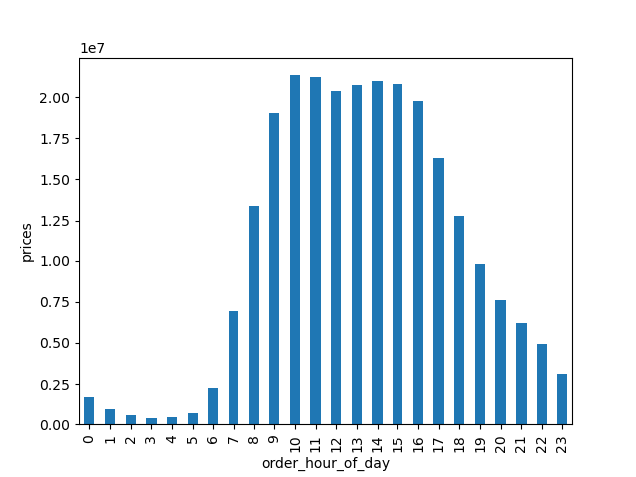
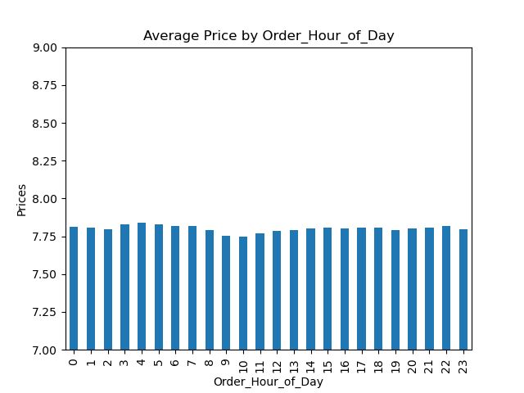

The bar chart on the left shows the hour of the day on the x-axis and the average price of products ordered at that time of day.
Customers tend to purchase similar priced products.

Key Question
Instacart has a lot of products with different price tags. Marketing and sales want to use simpler price range groupings to help direct their efforts.

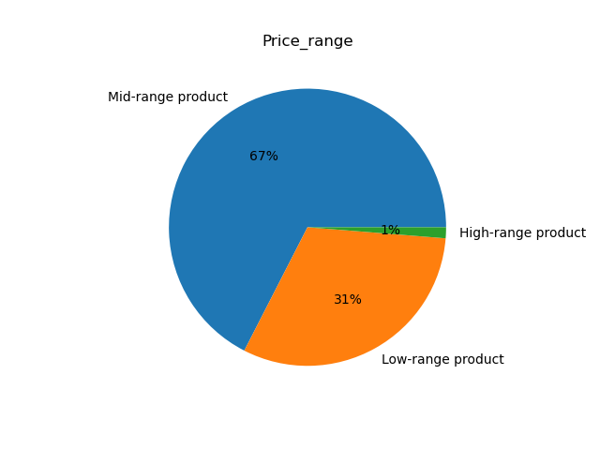

Most customers purchase products that are primarily mid-range, secondarily low-range. A small percentage of customer purchase high-range products. The most popular mid-range products are from produce and the most popular low-range products are also from produce.
Products that cost $15.00 or higher were marked as high-range and yet a minute percentage of products in this price range were purchased. Mid-ranged products were priced between $5 and $15 with low-range products being priced at $5 or under.

Key Question
Are there certain types of products that are more popular than others? The marketing and sales teams want to know which departments have the highest frequency of products orders.

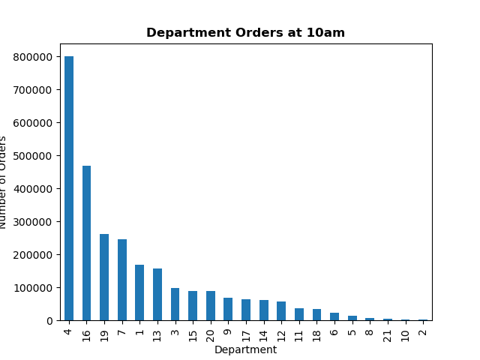

The bar charts on the left shows the departments that are most frequented at the busiest hour (10am). As you can see, department_id: 4, 16, 7, 19 and 1 are the highest ranking. The frequency tables below shows the top 20 most popular products of each of these departments.

Key Question
What's the distribution among users in regards to their brand loyalty (i.e., how often do they return to Instacart?)
Are there differences in ordering habits based on a customer's loyalty status?

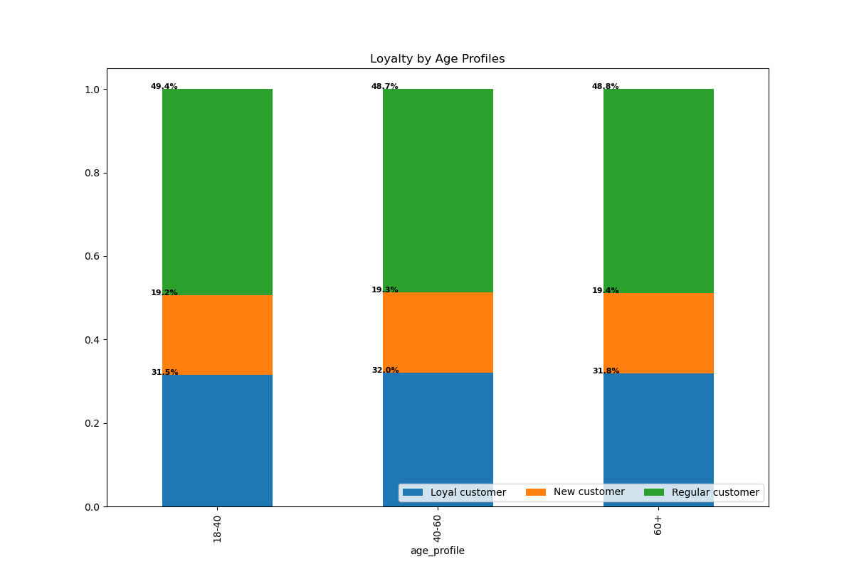
This bar chart shows the loyalty status of Instacart's customers.
New customers have placed 10 or fewer orders.
Regular customers have placed between 10 and 40 orders.
Loyal customers have placed over 40 orders.
Half of Instacart’s customers are regular. 2/3 of the customers are loyal and approximately 1/3 are new customers.
The stacked bar chart on the left shows that all age groups correspond to each loyalty group similarly.

Key Question
Are there differences in ordering habits based on a customer's region?

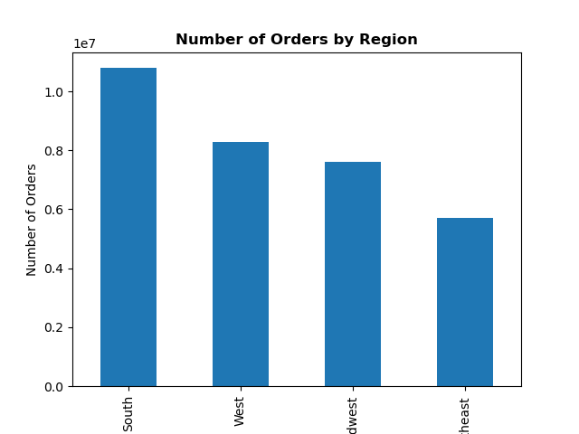
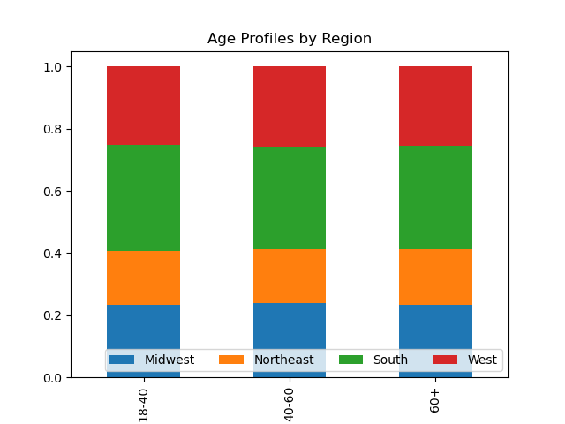
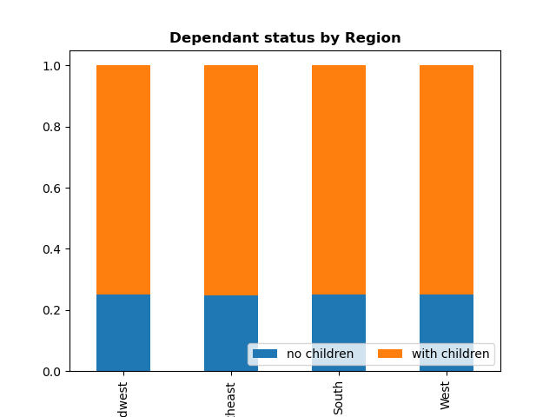
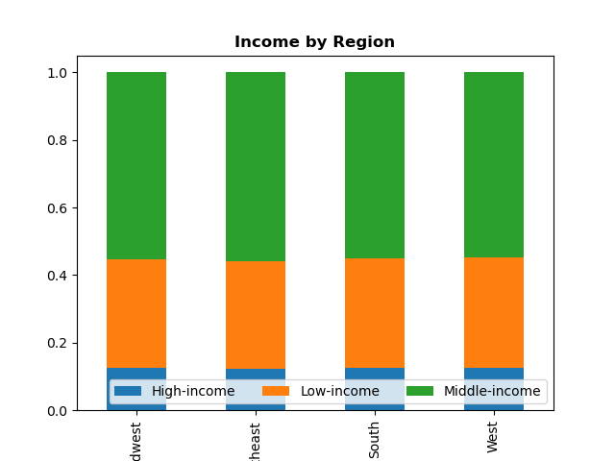

With regards to Region, the biggest consumers of Instacart are from the South. Next, it is the West which is closely followed by the Midwest and finally the Northeast. With regards to age, it is the 18-40 category who contribute a little more to Instacart’s demographic. With regards to family status, majority of Instacart’s customer have children. Majority of the customers are also of middle-income which ranges from 75,000-150,000 dollars. A minority are from high-income backgrounds.

Key Question
Is there a connection between age and family status in terms of ordering habits?




The correlation between age and the number of dependants is inconclusive.

The scatterplot on the right shows that as age exceeds 40, there is an increase in income and therefore purchasing power.

Key Question
What different classifications does the demographic information suggest? Age? Income? Certain types of goods? Family status?

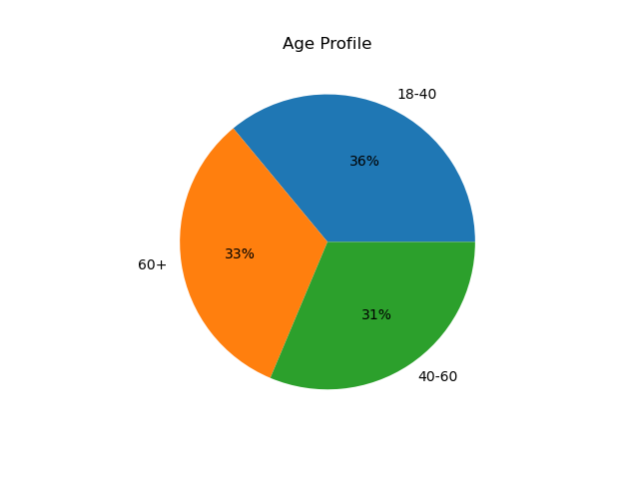
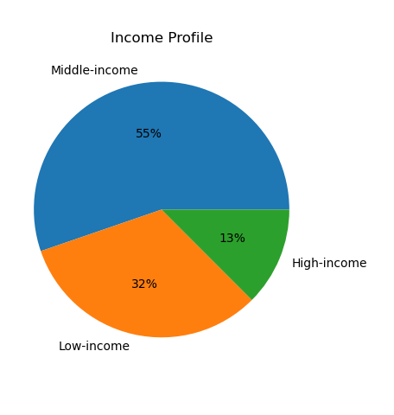
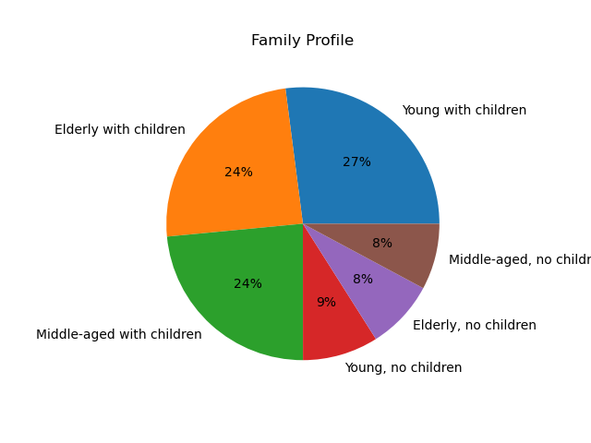

55% of Instacart's customers have a middle-income background. 32% of customers are from a low-income background and 13% are from a high-income background. This somewhat reflects the price range of products purchased.
36% of Instacart's customers come from 18-40 category which is followed closely by the 60+ and finally 40-60 at 31%. This suggests that all age demographics are met and thus can be targeted equally.
The Family Profile suggests that those with children contribute more heavily towards Instacart's revenue than those without.

Key Question
What differences can you find in ordering habits of different customer profiles? Consider the price of orders, the frequency of orders, the products customers are ordering, and anything else you can think of.

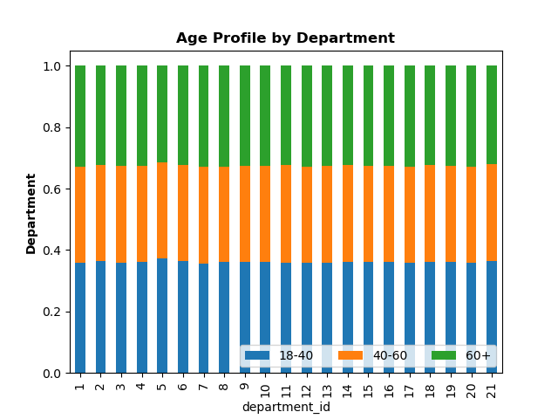
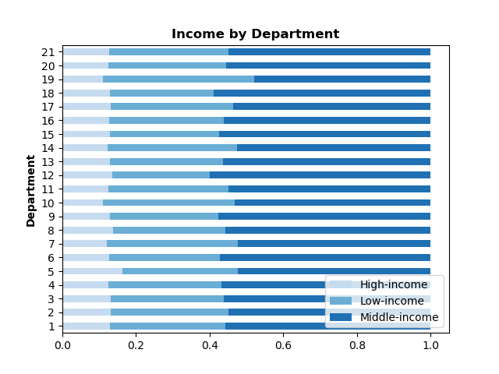
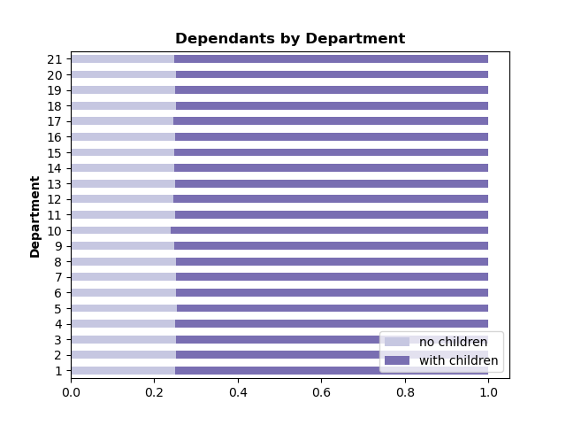

By department, only three observations are exceedingly apparent. The biggest frequenter of departments are those from a middle-income and those with dependants. Ultimately, the department themselves are frequented similarly across all age groups.

7. Recommendations
Title page
Recommendations

1) The sales team needs to know what the busiest days of the week and hours of the day are (i.e., the days and times with the most orders) in order to schedule ads at times when there are fewer orders.
The busiest days of the week are Saturday and Sunday between the hours of 10am and 4pm. The quietest days are Tuesday and Wednesday, particularly between 1am and 5 am.
A plausible reason to explain the decreased orders in the early hours (1am-5am) could be the fact that a lot of retailers have their earliest delivery scheduled from 8am such as 'Lucky Supermarket', 'Andronico's Community Markets' and 'Smart & Final' to name a few. Some retailers offer deliveries from 5.35am (Safeway).
Instacart should schedule adverts between 6am to 8am to take advantage of the window where customers may peruse the app to look for opening time slots, especially since there are fewer orders during this period. Instacart should also schedule adverts between 6pm to 10pm as there are also fewer orders during this time frame.
As for the hours between 11pm and 3am, this time could be used to advertise sales on alcoholic beverages (which is a lesser frequented department as alcohol is generally consumed during the later hours of the night).
 | 0 = Saturday
 | 1 = Sunday
 | 2 = Monday
 | 3 = Tuesday
 | 4 = Wednesday
 | 5 = Thursday
 | 6 = Friday

2) They also want to know whether there are particular times of the day when people spend the most money, as this might inform the type of products they advertise at these times.
People spend the most money between 10am-4pm. 10am-4pm. Instacart customers wants to 'receive ads, promotions, and recommendations that are relevant to the products they order regularly'. Therefore Instacart should advertise seasonal sales of the products (produce) in these popular departments during this time.

3) Instacart has a lot of products with different price tags. Marketing and sales want to use simpler price range groupings to help direct their efforts.
The scatterplot shows that as age exceeds 40, there is an increase in income and therefore purchasing power of customers. Additionally, if you look at the age pie chart, you can see that the 40+ category represents 2/3rd of Instacart's demographic. Therefore Instacart should expand their high-range products via offering more expensive options and advertise high-range products to these demographics (40+). Currently, the maximum prices of products is $25.00.

4) Are there certain types of products that are more popular than others? The marketing and sales teams want to know which departments have the highest frequency of products orders.
The Senior Vice President of Sales wants to know: 'What part of our offering has the lowest market share and why?. Based on this input, we could improve this sector and boost sales'.
The top 5 departments are: 'produce', 'dairy and eggs', 'snacks', 'beverages' and 'frozen food'. The least popular departments are: 'other', 'bulk', 'missing', 'pets' and 'alcohol'.
Instacart has a known affiliation with warehouse clubs such as 'Costco', 'Sam's Club', and 'BJ's Wholesale Club'. Instacart could promote the fact that customers can purchase from these popular outlets without a retailer club membership which would save them money. This will boost sales and improve the lesser frequented 'bulk' department (department_id = 10).

5) What's the distribution among users in regards to their brand loyalty (i.e., how often do they return to Instacart)?
Regular customers make up most (2/3rd) of the clientele of Instacart. Instacart should consider offering 'loyalty card schemes' to reward regular customers. For example, loyalty schemes such as accumulating loyalty points which can be transferred to discounts/cash to use in the partnering companies that Instacart caters for.
Instacart currently caters for 40,000 stores across 5,500+ cities in the United States and Canada. (Source: https://www.instacart.com/)

6) Are there differences in ordering habits based on a customer’s loyalty status?
In terms of spending, not necessarily because the majority of Instacart’s customers fall into the low-spender category despite the fact that loyal customers and regular customers represent approximately 81% of the demographic.

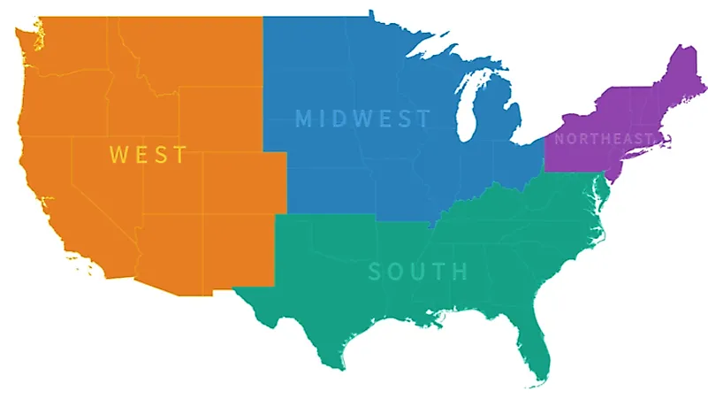

7) Are there differences in ordering habits based on customer's region?
The South has the most customers by age profile and by income. This is followed by the West, the Midwest and lastly the Northeast. This was a little bit surprising considering that the biggest region by landmass is the West (4.852 million km squared). The South is the second biggest at 2.383 million km squared. This is followed by the Midwest at 2,126,400 km squared. The smallest region is the Northeast (469,627 km2) which is reflected in Instacart's region demographics.
The Vice President of Marketing is 'always looking into improving our targeting for ad campaigns'. Therefore, Instacart should focus on promoting and advertising to the Western markets as they have the most turnover potential.

(Regions of the US map Source: https://www.google.com/url?sa=i&url=https%3A%2F%2Fwww.worldatlas.com%2Farticles%2Fthe-regions-of-the-united-states.html&psig=AOvVaw0-6ZOrvrO0gx50IZtpieOl&ust=1684099381153000&source=images&cd=vfe&ved=0CBAQjRxqFwoTCKiHgZ2d8_4CFQAAAAAdAAAAABAE)

